Q2
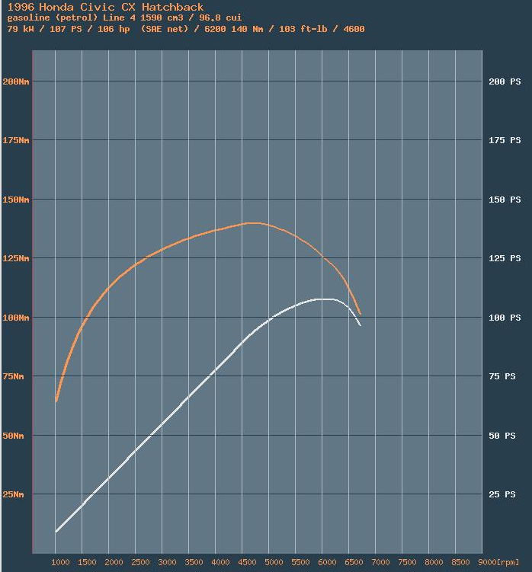
RPM | RPM vs Torque (Nm)
0 | 30
1000 | 62.5
2000 | 112.5
3000 | 126
4000 | 137
5000 | 140
6000 | 125
6750 | 95

Q3
Gears | Ratio
1 | 3.25
2 | 1.782
3 | 1.172
Engine Speed vs Vehicle Speed
4 | 0.909
5 | 0.702
final drive | 3.722

Gear 1 |  | Gear 2 |  | Gear 3 |  | Gear 4 |  | Gear 5
Rpm to rad/s | Speed | Rpm | Speed | RPM | Speed | RPM | Speed | RPM | Speed
104.719755 | 8.9300586918 | 1000 | 16.286582912 | 1000 | 24.763388011 | 1000 | 31.928152638 | 1000 | 41.342864314
209.43951 | 17.860117384 | 2000 | 32.573165823 | 2000 | 49.526776021 | 2000 | 63.856305277 | 2000 | 82.685728628
314.159265 | 26.790176075 | 3000 | 48.859748735 | 3000 | 74.290164032 | 3000 | 95.784457915 | 3000 | 124.02859294 |  |  | S
418.87902 | 35.720234767 | 4000 | 65.146331646 | 4000 | 99.053552042 | 4000 | 127.71261055 | 4000 | 165.37145726
523.598775 | 44.650293459 | 5000 | 81.432914558 | 5000 | 123.81694005 | 5000 | 159.64076319 | 5000 | 206.71432157
628.31853 | 53.580352151 | 6000 | 97.719497469 | 6000 | 148.58032806 | 6000 | 191.56891583 | 6000 | 248.05718588
706.85834625 | 60.27789617 | 6750 | 109.93443465 | 6750 | 167.15286907 | 6750 | 215.51503031 | 6750 | 279.06433412

 |  |  |  |  |  |  |  |  |  |  | add line
 |  |  |  |  |  |  |  |  |  | 190 | 0
 |  |  |  |  |  |  |  |  |  | 190 | 7000

Q4
 |  | Gear1 |  |  | Gear2 |  |  | Gear3 |  |  | Gear4 |  |  | Gear5
Xa+Xr | Vehicle Speed | Xt | te | Speed | Xt | te | Speed | Xt | te | Speed | Xt | te | Speed | Xt | te | Speed
128.55 | 0 |  | 30 | 0 |  | 30 | 0 |  | 30 | 0 |  | 30 | 0 |  | 30 | 0
128.58625772 | 1 | 2156.4649748 | 62.5 | 8.930059 | 1182.4063339 | 62.5 | 16.28658291 | 777.65444631 | 62.5 | 24.76339 | 603.14666527 | 62.5 | 31.92815 | 465.79643456 | 62.5 | 41.34286
128.69503086 | 2 | 3881.6369547 | 112.5 | 17.86012 | 2128.331401 | 112.5 | 32.57316582 | 1399.7780034 | 112.5 | 49.52678 | 1085.6639975 | 112.5 | 63.85631 | 838.43358221 | 112.5 | 82.68573
128.87631944 | 3 | 4347.4333893 | 126 | 26.79018 | 2383.7311691 | 126 | 48.85974873 | 1567.7513638 | 126 | 74.29016 | 1215.9436772 | 126 | 95.78446 | 939.04561208 | 126 | 124.0286
129.13012346 | 4 | 4726.9712248 | 137 | 35.72023 | 2591.8346839 | 137 | 65.14633165 | 1704.6185463 | 137 | 99.05355 | 1322.0974903 | 137 | 127.7126 | 1021.0257846 | 137 | 165.3715
129.4564429 | 5 | 4830.4815436 | 140 | 44.65029 | 2648.5901879 | 140 | 81.43291456 | 1741.9459597 | 140 | 123.8169 | 1351.0485302 | 140 | 159.6408 | 1043.3840134 | 140 | 206.7143
129.85527778 | 6 | 4312.9299497 | 125 | 53.58035 | 2364.8126678 | 125 | 97.71949747 | 1555.3088926 | 125 | 148.5803 | 1206.2933305 | 125 | 191.5689 | 931.59286913 | 125 | 248.0572
130.32662809 | 7 | 3277.8267617 | 95 | 60.2779 | 1797.2576275 | 95 | 109.9344347 | 1182.0347584 | 95 | 167.1529 | 916.78293121 | 95 | 215.515 | 708.01058054 | 95 | 279.0643
130.87049383 | 8
Vehicle Speed vs. Maximum Traction Force
131.486875 | 9
132.1757716 | 10 |  |  |  | Add Line
132.93718364 | 11 |  |  | 0 | 2887.32
133.77111111 | 12 |  |  | 100 | 2887.32
134.67755401 | 13
135.65651235 | 14
136.70798611 | 15
137.83197531 | 16 |  |  | 0 | 100
139.02847994 | 17 |  |  | 5000 | 100
140.2975 | 18
141.63903549 | 19
143.05308642 | 20
144.53965278 | 21 |  | Gears | Force | Acceleration (a=F/m)
146.09873457 | 22 |  | at Xa+Xr | 515 | ------
147.73033179 | 23 |  | 5 | 920 | 0.40178571429
149.43444444 | 24 |  | 4 | 1250 | 0.72916666667
151.21107253 | 25 |  | 3 | 1700 | 1.1755952381
153.06021605 | 26 |  | 2 | 1780 | 1.2549603175
154.981875 | 27
156.97604938 | 28
159.0427392 | 29
161.18194444 | 30
163.39366512 | 31
165.67790123 | 32
168.03465278 | 33
170.46391975 | 34
172.96570216 | 35
175.54 | 36
178.18681327 | 37
180.90614198 | 38
183.69798611 | 39
186.56234568 | 40
189.49922068 | 41
192.50861111 | 42
195.59051698 | 43
198.74493827 | 44
201.971875 | 45
205.27132716 | 46
208.64329475 | 47
212.08777778 | 48
215.60477623 | 49
219.19429012 | 50
222.85631944 | 51
226.5908642 | 52
230.39792438 | 53
234.2775 | 54
238.22959105 | 55
242.25419753 | 56
246.35131944 | 57
250.52095679 | 58
254.76310957 | 59
259.07777778 | 60
263.46496142 | 61
267.92466049 | 62
272.456875 | 63
277.06160494 | 64
281.73885031 | 65
286.48861111 | 66
291.31088735 | 67
296.20567901 | 68
301.17298611 | 69
306.21280864 | 70
311.3251466 | 71
316.51 | 72
321.76736883 | 73
327.09725309 | 74
332.49965278 | 75
337.9745679 | 76
343.52199846 | 77
349.14194444 | 78
354.83440586 | 79
360.59938272 | 80
366.436875 | 81
372.34688272 | 82
378.32940586 | 83
384.38444444 | 84
390.51199846 | 85
396.7120679 | 86
402.98465278 | 87
409.32975309 | 88
415.74736883 | 89
422.2375 | 90
428.8001466 | 91
435.43530864 | 92
442.14298611 | 93
448.92317901 | 94
455.77588735 | 95
462.70111111 | 96
469.69885031 | 97
476.76910494 | 98
483.911875 | 99
491.12716049 | 100
498.41496142 | 101
505.77527778 | 102
513.20810957 | 103
520.71345679 | 104
528.29131944 | 105
535.94169753 | 106
543.66459105 | 107
551.46 | 108
559.32792438 | 109
567.2683642 | 110
575.28131944 | 111
583.36679012 | 112
591.52477623 | 113
599.75527778 | 114
608.05829475 | 115
616.43382716 | 116
624.881875 | 117
633.40243827 | 118
641.99551698 | 119
650.66111111 | 120
659.39922068 | 121
668.20984568 | 122
677.09298611 | 123
686.04864198 | 124
695.07681327 | 125
704.1775 | 126
713.35070216 | 127
722.59641975 | 128
731.91465278 | 129
741.30540123 | 130
750.76866512 | 131
760.30444444 | 132
769.9127392 | 133
779.59354938 | 134
789.346875 | 135
799.17271605 | 136
809.07107253 | 137
819.04194444 | 138
829.08533179 | 139
839.20123457 | 140
849.38965278 | 141
859.65058642 | 142
869.98403549 | 143
880.39 | 144
890.86847994 | 145
901.41947531 | 146
912.04298611 | 147
922.73901235 | 148
933.50755401 | 149
944.34861111 | 150
955.26218364 | 151
966.2482716 | 152
977.306875 | 153
988.43799383 | 154
999.64162809 | 155
1010.9177778 | 156
1022.2664429 | 157
1033.6876235 | 158
1045.1813194 | 159
1056.7475309 | 160
1068.3862577 | 161
1080.0975 | 162
1091.8812577 | 163
1103.7375309 | 164
1115.6663194 | 165
1127.6676235 | 166
1139.7414429 | 167
1151.8877778 | 168
1164.1066281 | 169
1176.3979938 | 170
1188.761875 | 171
1201.1982716 | 172
1213.7071836 | 173
1226.2886111 | 174
1238.942554 | 175
1251.6690123 | 176
1264.4679861 | 177
1277.3394753 | 178
1290.2834799 | 179
1303.3 | 180
1316.3890355 | 181
1329.5505864 | 182
1342.7846528 | 183
1356.0912346 | 184
1369.4703318 | 185
1382.9219444 | 186
1396.4460725 | 187
1410.042716 | 188
1423.711875 | 189
1437.4535494 | 190
1451.2677392 | 191
1465.1544444 | 192
1479.1136651 | 193
1493.1454012 | 194
1507.2496528 | 195
1521.4264198 | 196
1535.6757022 | 197
1549.9975 | 198
1564.3918133 | 199
1578.858642 | 200
1593.3979861 | 201
1608.0098457 | 202
1622.6942207 | 203
1637.4511111 | 204
1652.280517 | 205
1667.1824383 | 206
1682.156875 | 207
1697.2038272 | 208
1712.3232948 | 209
1727.5152778 | 210
1742.7797762 | 211
1758.1167901 | 212
1773.5263194 | 213
1789.0083642 | 214
1804.5629244 | 215
1820.19 | 216
1835.889591 | 217
1851.6616975 | 218
1867.5063194 | 219
1883.4234568 | 220
1899.4131096 | 221
1915.4752778 | 222
1931.6099614 | 223
1947.8171605 | 224
1964.096875 | 225
1980.4491049 | 226
1996.8738503 | 227
2013.3711111 | 228
2029.9408873 | 229
2046.583179 | 230
2063.2979861 | 231
2080.0853086 | 232
2096.9451466 | 233
2113.8775 | 234
2130.8823688 | 235
2147.9597531 | 236
2165.1096528 | 237
2182.3320679 | 238
2199.6269985 | 239
2216.9944444 | 240
2234.4344059 | 241
2251.9468827 | 242
2269.531875 | 243
2287.1893827 | 244
2304.9194059 | 245
2322.7219444 | 246
2340.5969985 | 247
2358.5445679 | 248
2376.5646528 | 249
2394.6572531 | 250
2412.8223688 | 251
2431.06 | 252
2449.3701466 | 253
2467.7528086 | 254
2486.2079861 | 255
2504.735679 | 256
2523.3358873 | 257
2542.0086111 | 258
2560.7538503 | 259
2579.5716049 | 260
2598.461875 | 261
2617.4246605 | 262

